Sheet1
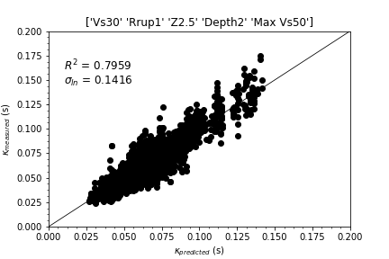
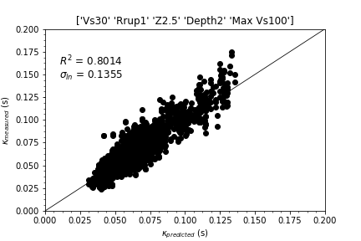
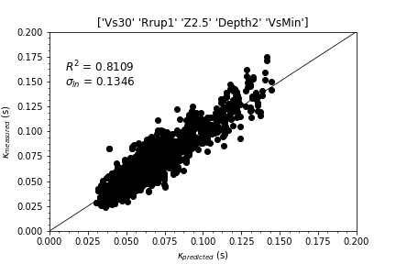
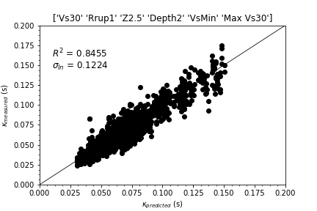
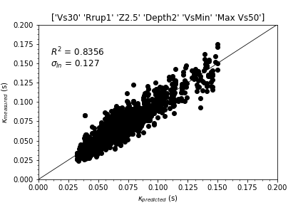
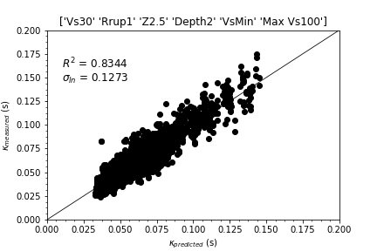

 | Feature 1 | Feature 2 | Feature 3 | Feature 4 | Feature 5 | Feature 6 | R^2 | Sigma_ln
Case 0 | Vs30 | Z2.5 | Rrup | Depth | Max Vs30 | NA | 0.8163 | 0.1329
Case 1 | Vs30 | Z2.5 | Rrup | Depth | Max Vs50 | NA | 0.7959 | 0.1416
Case 2 | Vs30 | Z2.5 | Rrup | Depth | Max Vs100 | NA | 0.8014 | 0.1355
Case 3 | Vs30 | Z2.5 | Rrup | Depth | VsMin | NA | 0.8109 | 0.1346
Case 4 | Vs30 | Z2.5 | Rrup | Depth | VsMin | Max Vs30 | 0.8455 | 0.1224
Case 5 | Vs30 | Z2.5 | Rrup | Depth | VsMin | Max Vs50 | 0.8356 | 0.1270
Case 6 | Vs30 | Z2.5 | Rrup | Depth | VsMin | Max Vs100 | 0.8344 | 0.1273

